1 API
 | API Documentation
 | documentation for CRUD functionalities for an api given below:

 | Table 1
 | Widget | Request Type | Base URL | API Endpoint | Payload | Description
 | Event | GET | /api/v3/app | /nudge?id=:event_id | - | Gets an event by its unique id
 |  | GET | /api/v3/app | /nudge?type=latest&limit=5&page=1 | - | Gets an event by its recency & paginate results by page number and limit of events per page
 |  | POST | /api/v3/app | /nudge | type, tagline, title, files[image, icon], schedule, description, invitationLine | Creates an event and returns the Id of the event i.e. created
 |  | PUT | /api/v3/app | /nudge/:id | Same as POST payload
 |  | DELETE | /api/v3/app | /nudge/:id | - | Deletes an event based on its Unique Id

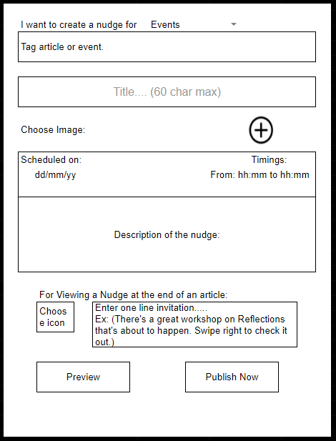
 |  | Object Data Model of a Nudge | type:"event" tagline: A proper tag-line for the event title: Title of the event (60 chars max) files[image, icon]: Image file (File upload) schedule: (Date + time) Timestamp description: Description of nudge invitationLine:Enter one line invitation

 | Directions and Limitations
1 | Do not use mongoose library for Nodejs instead use Mongodb library
2 | Link for library - https://www.npmjs.com/package/mongodb
3 | Do not write any schemas for storing and querying data
4 | We follow this data model consistency everywhere but not a fixed schema.
5 | No schema as the data might change slightly is based on the type of the asset
6 | You have to use '_id' i.e the mongodb ObjectId of a document as the unique identifier
7 | upload image files to amazon S3 buckets.

